Assumptions
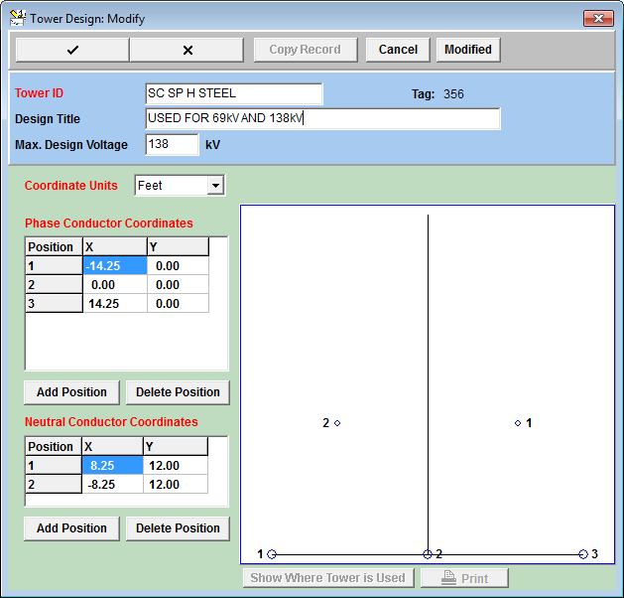
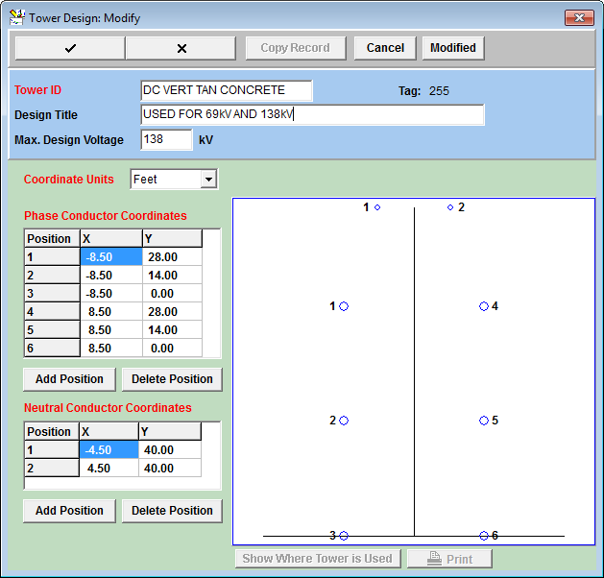
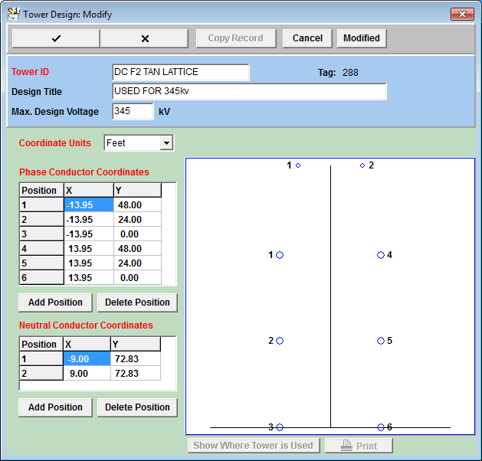
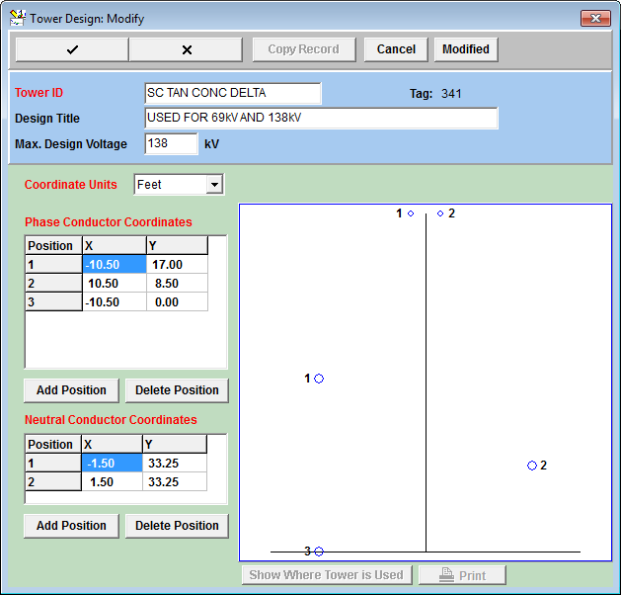
These line impedance values are provided by System Protection for use in assessing alternatives related to Planning studies
The impedance of a representative 1 mile line has been estimated for varying conductor, structure, shield wire, etc designs.

Selected parameters include:
Conductors per phase
1
2
Geometry incl. vertical offset
H
Double circuit
Vertical
Delta
Conductor
1433.6 39/19 ACSS/TW MERRIMACK
1590.0 45/7 ACSR LAPWING
1926.9 42/19 ACSS/TW CUMBERLAND
336.4 26/7 ACSR LINNET
477.0 26/7 ACSR HAWK
795.0 26/7 ACSR DRAKE
795.0 26/7 ACSS/TW DRAKE
959.6 22/7 ACSS/ TW SUWANNEE
Shield
OPGW
3/8" steel
7#8 Alumoweld
Voltage
69-kV
138-kV
345-kV

Assumptions common to each line impedance estimate include:
69-kV & 138-kV vertical offset: 50 feet
345-kV vertical offset: 95 feet
18 inch vertical bundling
69-kV and 138-kV ruling span: 700 feet
345-kV ruling span: 1,000 feet
Shield conductor temp: 25 deg C
Phase conductor temp: 75 deg C
Soil resistivity: 125 ohm-meters
Dual OPGW assumed for double circuit configuration

